Sheet1
Just for your information. PRD data were migrated to DEV so we can replicate this issue.
As you can see, these are the DROPID of the CASES related to the S/I we have reported with missing cases in the Shipping Mark Summary.

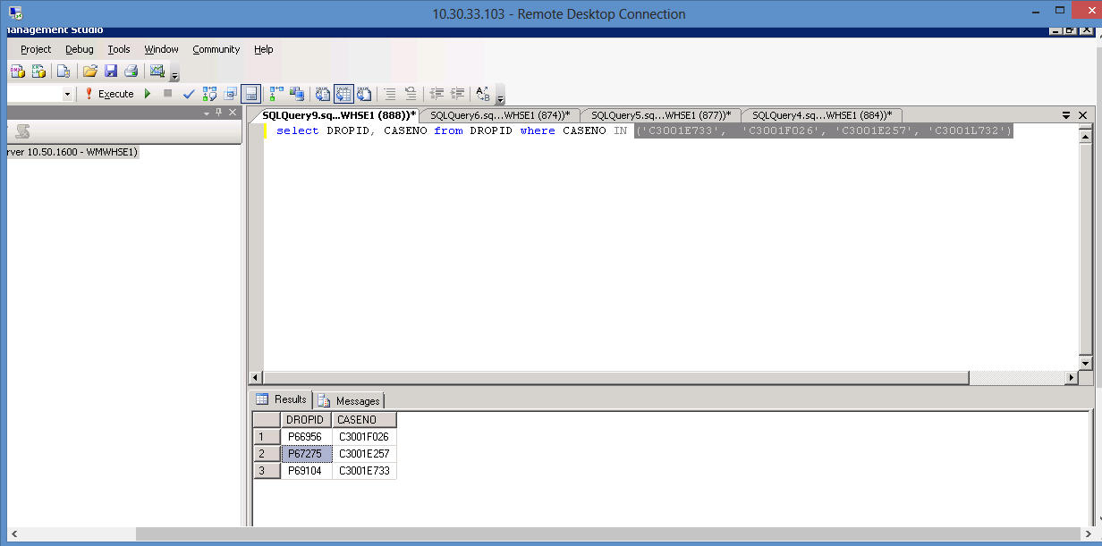

When we checked DEV, the last 2 DROPIDs from above have differen cases linked to each.
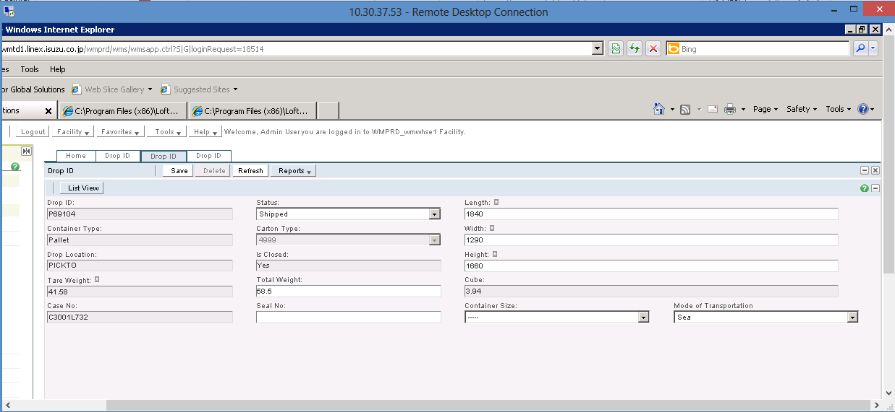

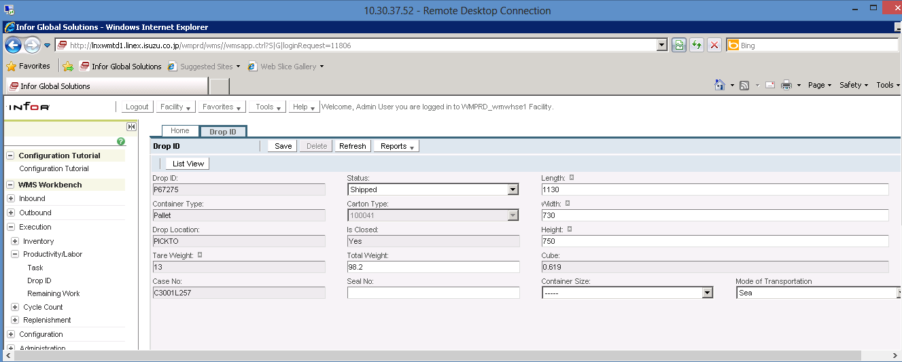

Would you kindly let us know if you have performed any data modifications in DEV? Because it is causing more issues.

Just to again explain the issue.
We reported before that case C3001E733 was missing in the shipping mark summary.
See XML we have generated last April after you modify the change.

Then you answered that the reason why it was missing is because it has no DROPID.
We retrieved case C3001E257 from the above XML. Then, we checked the DROPID. This case has no DROPID but it was displaying in the XML.

Then after several days, you sent us an XML and case C3001E257 is no longer displaying when in fact, when we first generated the XML, it was in the XML file.
Please investigate why it disappeared. Please explain to us the changes done.
As we have said, when we migrated the PRD data to DEV, the cases C3001E733 and C3001E257 were linked to DROPID and only one case was missing.
But now both cases are now missing and DROPIDs were changed.

